No of participants
Decision | 60
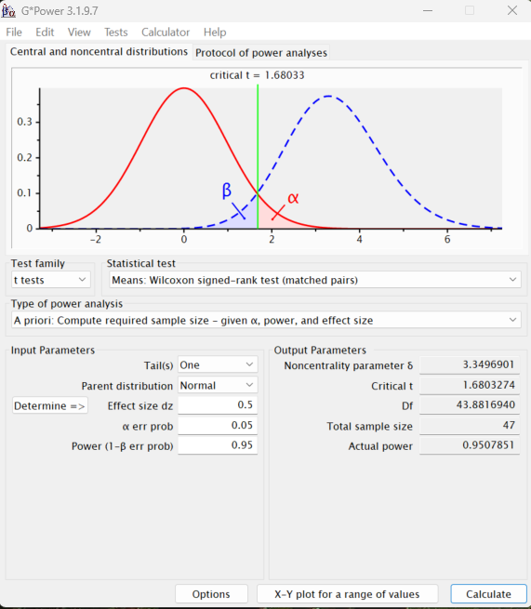
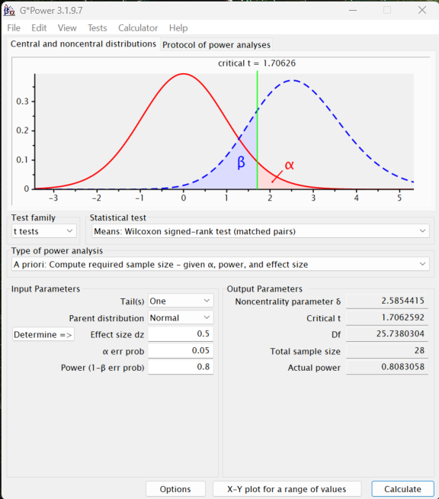
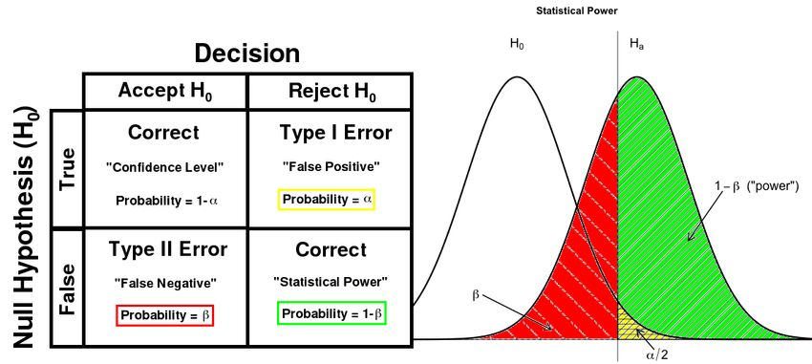

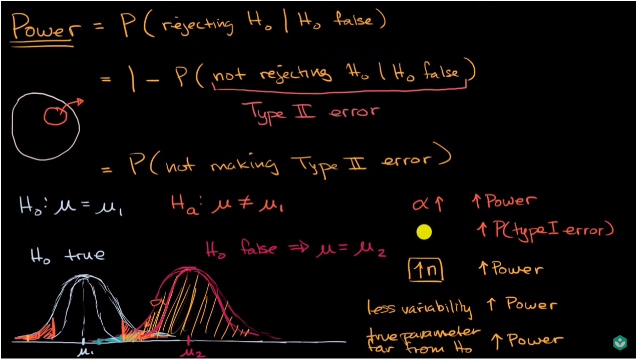
 |  |  |  |  |  |  | Type I error
 |  |  |  |  |  |  | Based on alpha which is chosen by the researcher

 |  |  |  |  |  |  | Type II error
 |  |  |  |  |  |  | Based on Beta which depends on sample size (n) and variance
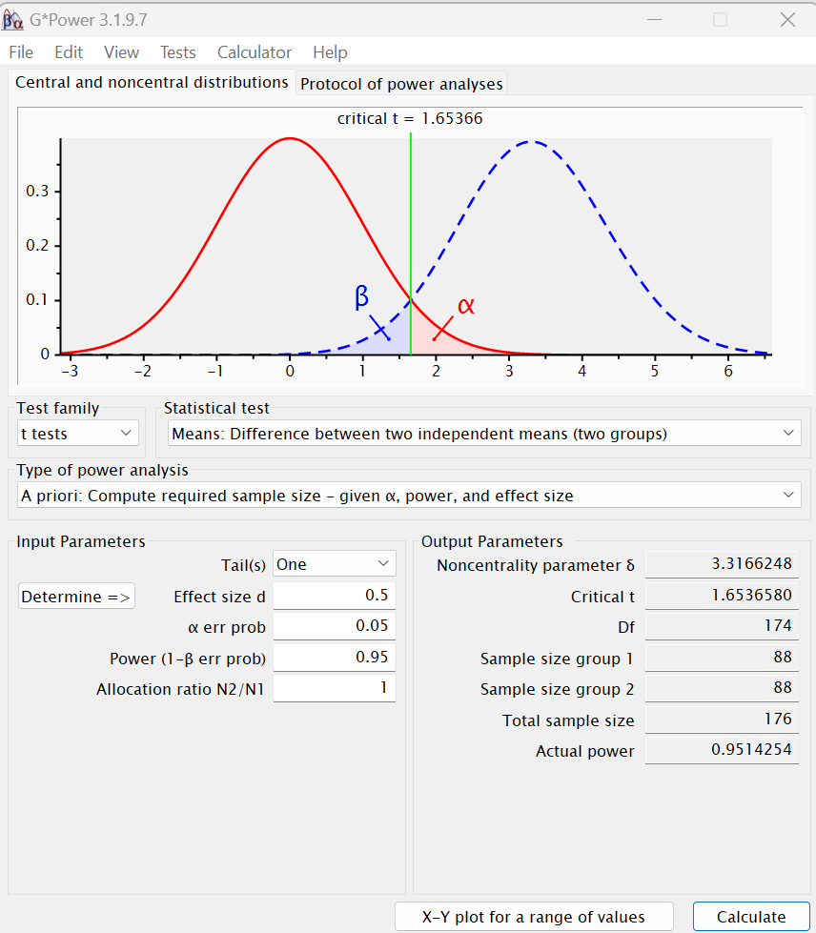
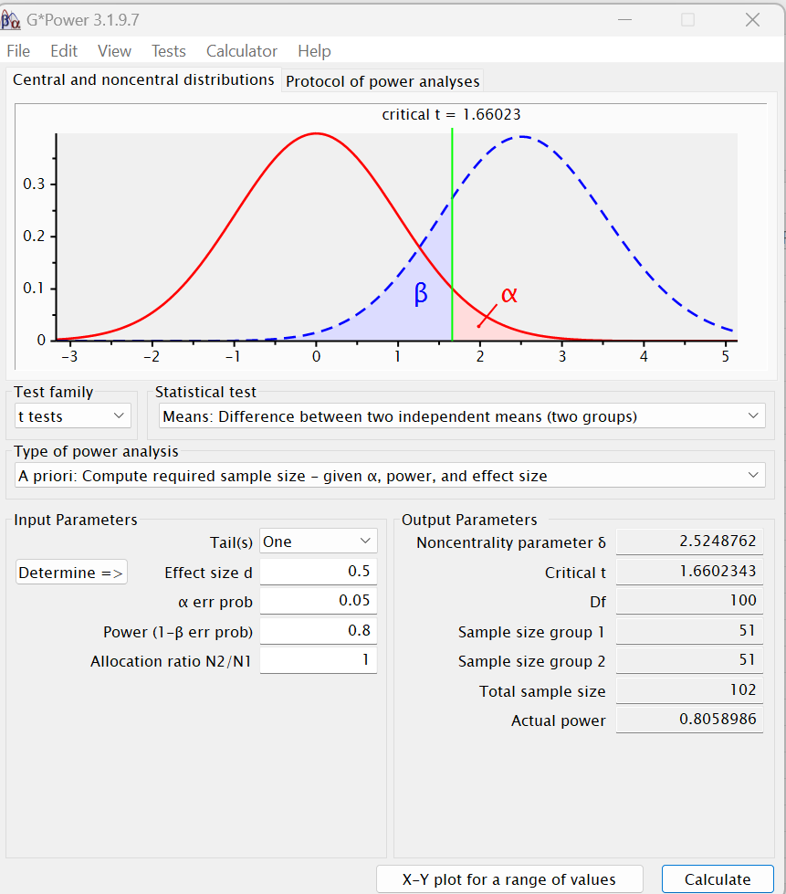
 |  |  |  |  |  |  | Power of the test = 1-Beta

 |  | Dependent / independent | Power | Effect size | Estimated no of participants | Round no of participants
 |  | Dependent samples | 0.8 | 0.5 | 28 | 30
 |  | Dependent samples | 0.9 | 0.5 | 38 | 40
 |  | Dependent samples | 0.95 | 0.5 | 47 | 50

 |  |  |  |  |  |  |  | day | participants
 |  |  |  |  |  |  |  | 1.5 | 6
 |  |  |  |  |  |  |  | 10 | 40
 |  |  |  |  |  |  |  | 15 | 60

